Details
INSTALLATION OF POTABLE WATER TREATMENT PLANT AND DISPENSERS AT FORCADOS TERMINAL (PHASE 1)
Activity | F$
Cost savings on the DIY installation of MOVs actuators and Pakboxes for Forcados Terminal | 200,539.75

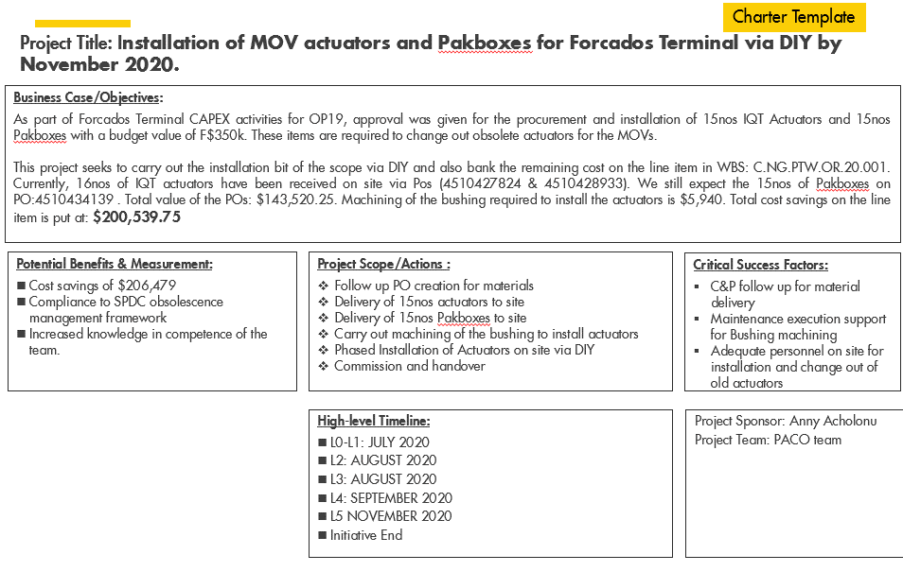

 |  | 25062.295082

